Question
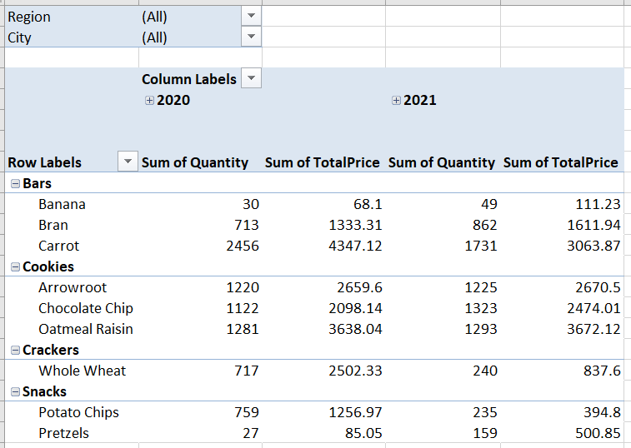
Create Pivot Table on Food Sales Data

